Results
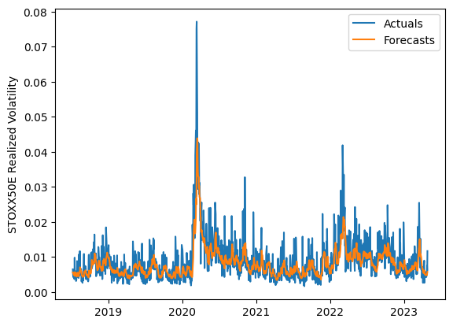
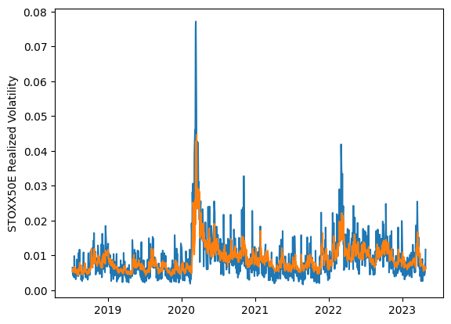
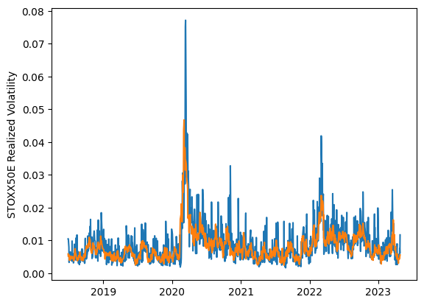
 | LSTM |  |  | TCN |  |  | NBEATSx |  |  |  |  | LSTM |  |  | TCN |  |  | NBEATSx
 | Accuracy | RMSE | Qlike | Accuracy | RMSE | Qlike | Accuracy | RMSE | Qlike |  |  | Accuracy | RMSE | Qlike | Accuracy | RMSE | Qlike | Accuracy | RMSE | Qlike
Trial 1 | 67.25% | 0.282% | 0.082 | 46.75% | 0.348% | 0.159 | 63.49% | 0.294% | 0.093 |  | Mean | 62.83% | 0.289% | 0.094 | 59.00% | 0.309% | 0.111 | 63.30% | 0.294% | 0.094
Trial 2 | 63.11% | 0.286% | 0.093 | 58.56% | 0.304% | 0.110 | 64.93% | 0.296% | 0.095 |  | Standard Deviation | 3.73% | 0.010% | 0.012 | 5.19% | 0.019% | 0.019 | 0.97% | 0.003% | 0.003
Trial 3 | 58.82% | 0.298% | 0.107 | 50.92% | 0.333% | 0.139 | 62.32% | 0.292% | 0.098 |  | 95% CI upper bound | 70.29% | 0.308% | 0.119 | 69.38% | 0.346% | 0.149 | 65.24% | 0.301% | 0.100
Trial 4 | 57.03% | 0.306% | 0.114 | 65.05% | 0.337% | 0.104 | 61.35% | 0.297% | 0.091 |  | 95% CI lower bound | 55.38% | 0.269% | 0.070 | 48.62% | 0.272% | 0.074 | 61.37% | 0.288% | 0.089
Trial 5 | 65.72% | 0.281% | 0.085 | 60.51% | 0.299% | 0.104 | 64.42% | 0.295% | 0.095 |  | 99.7% CI upper bound | 74.02% | 0.318% | 0.131 | 74.57% | 0.365% | 0.168 | 66.20% | 0.304% | 0.102
Trial 6 | 59.18% | 0.297% | 0.106 | 55.39% | 0.314% | 0.124 | 62.69% | 0.294% | 0.096 |  | 99.7% CI lower bound | 51.65% | 0.259% | 0.058 | 43.43% | 0.253% | 0.055 | 60.40% | 0.285% | 0.086
Trial 7 | 62.65% | 0.287% | 0.094 | 63.13% | 0.304% | 0.097 | 63.51% | 0.287% | 0.091
Trial 8 | 65.90% | 0.281% | 0.085 | 62.24% | 0.298% | 0.099 | 63.88% | 0.295% | 0.097
Trial 9 | 60.72% | 0.292% | 0.101 | 60.34% | 0.295% | 0.104 | 63.36% | 0.289% | 0.091
Trial 10 | 66.15% | 0.281% | 0.084 | 60.13% | 0.297% | 0.106 | 63.71% | 0.296% | 0.092
Trial 11 | 55.41% | 0.310% | 0.120 | 62.62% | 0.286% | 0.096 | 63.92% | 0.297% | 0.098
Trial 12 | 65.96% | 0.281% | 0.085 | 61.43% | 0.292% | 0.099 | 61.88% | 0.295% | 0.093
Trial 13 | 64.59% | 0.284% | 0.088 | 58.66% | 0.308% | 0.111 | 64.11% | 0.291% | 0.091
Trial 14 | 64.25% | 0.284% | 0.089 | 54.19% | 0.324% | 0.128 | 63.33% | 0.297% | 0.099
Trial 15 | 65.77% | 0.281% | 0.085 | 65.06% | 0.293% | 0.091 | 62.67% | 0.298% | 0.093

 | LSTM (best trial) |  |  |  |  |  |  |  |  | TCN (best trial) |  |  |  |  |  |  |  |  | NBEATSx (best trial)

